Instructions
 |  | Michael Midkiff
Site Instructions
MERGE/SORTER IMAGE: Get ICW image of merge and label associated belts from the indexing belts of each lane all the way to the sorter. SYSTEM SETTINGS PEAK/PRIME: Input system gaps, and speeds utilized during peak volume. If you have less lanes then listed type N/A, if you have more lanes add an extra line to this section. SYSTEM SPEED OPTIONS: Put each system speed currently available to this system. LANES: Input all requested data for each lane. Lane order goes based on Intelligrated assigned lane number. Speed information must be acquired by physically using a tachometer on each belt. For "Operational Belt Speed" set the system to run at the peak volume speed if multiple speeds are utilized. Acquire the PPR by physically checking the encoder dipswitch settings, DO NOT reference electrical schematics. If the bed doesn't have a shaft mounted encoder type N/A. For the "Bed #" category update the numbers to your systems Intelligrated number for each belt. If you have less lanes then listed type N/A, if you have more lanes add an extra line to this section. MERGE TO SORTER: Input all requested data for conveyance leading to sorter. "Bed type" should be the Intelligrated designation for that bed (ex: BMB for Brake Meter Belt). Speed information must be acquired by physically using a tachometer on each belt. For "Operational Belt Speed" set the system to run at the peak volume speed if multiple speeds are utilized. Acquire the PPR by physically checking the encoder dipswitch settings, DO NOT reference electrical schematics. If the bed doesn't have a shaft mounted encoder type N/A. For the "Bed #" category update the numbers to your systems Intelligrated number for each belt. If you have less conveyance then listed type N/A, if you have more lanes add an extra line to this section. SAVE THIS DOCUMENT TO YOUR NACF-AE DRIVE ONCE COMPLETE!

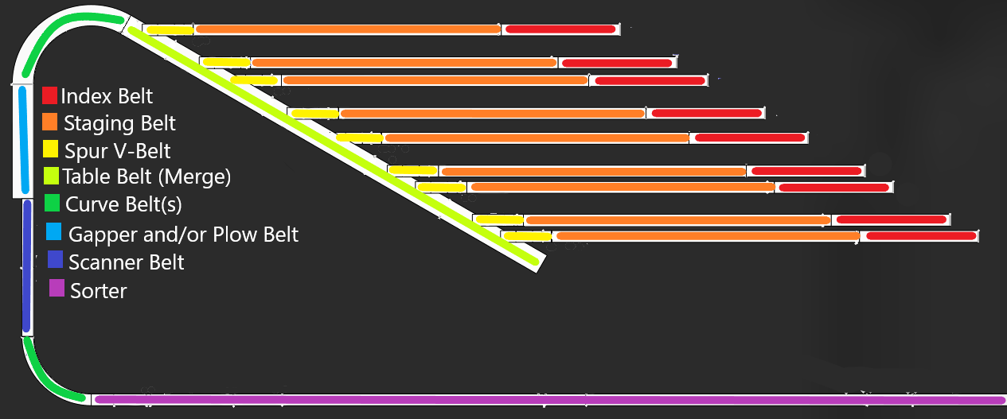

Site Code | DSM5
Build Year | 2020

AFE1 (Lower)
AFE1(lower) Merge and Sorter |  |  |  |  | Lanes |  |  |  |  |  | Lanes continued
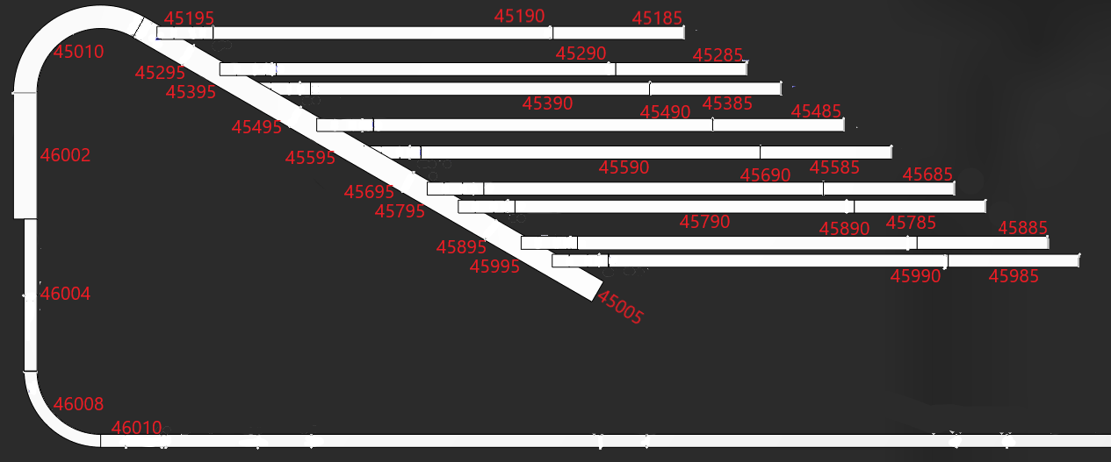 |  |  |  |  | Bed Type | Bed # | Profibus Address | Encoder PPR | Belt speed @60Hz | operational belt speed | Bed Type | Bed # | Profibus Address | Encoder PPR | Belt speed @60Hz | operational belt speed
 |  |  |  |  | Lane 1 | Tray manual return (CP42) |  |  |  |  | Lane 9 | AFE walls 16-18 (CP42)
 |  |  |  |  | Index | 45185 |  |  |  |  | Index | 45985
 |  |  |  |  | Staging | 45190 |  |  |  |  | Staging | 45990
 |  |  |  |  | Spur | 45195 |  |  |  | 225.9 | Spur | 45995
 |  |  |  |  | Lane 2 | AFE walls 10-12 (CP43) |  |  |  |  | Lane 10 | AFE walls 19-21 (CP41)
 |  |  |  |  | Index | 45285 |  |  |  |  | Index
 |  |  |  |  | Staging | 45290 |  |  |  |  | Staging
 |  |  |  |  | Spur | 45295 |  |  |  |  | Spur
 |  |  |  |  | Lane 3 | AFE walls 7-9 (CP43) |  |  |  |  | Lane 11 | AFE walls 22-24 (CP41)
 |  |  |  |  | Index | 45385 |  |  |  |  | Index
 |  |  |  |  | Staging | 45390 |  |  |  |  | Staging
 |  |  |  |  | Spur | 45395 |  |  |  |  | Spur
 |  |  |  |  | Lane 4 | AFE walls 4-6 (CP44) |  |  |  |  | Merge to Sorter
 |  |  |  |  | Index | 45485 |  |  |  |  | Bed Type | Bed # | Profibus Address | Encoder PPR | Belt speed @60Hz | operational belt speed
 |  |  |  |  | Staging | 45490
 | System Settings Prime/Peak | System Speed Options |  | 550/600/650/700 | Spur | 45495
 | System Speed | Site Code | LGA9 |  | Lane 5 | AFE walls 1-3 (CP44) |  |  |  |  | Table | 45005
 | Interslug Gap | Build Year | 2017 |  | Index | 45585 |  |  |  |  | Curve | 45010
 | L1 Gap |  |  |  | Staging | 45590 |  |  |  |  | Plow | 46002
 | L2 Gap |  |  |  | Spur | 45595 |  |  |  |  | Gapper | 46004
 | L3 Gap |  |  |  | Lane 6 | AFE sorter secondary recirc (CP45) |  |  |  |  | Scanner | 46006
 | L4 Gap |  |  |  | Index | 45685 |  |  |  |  | Curve | 46008
 | L5 Gap |  |  |  | Staging | 45690 |  |  |  |  | Sorter | 46010
 | L6 Gap |  |  |  | Spur | 45695
 | L7 Gap |  |  |  | Lane 7 | AFE sorter primary recirc(CP45)
 | L8 Gap |  |  |  | Index | 45785
 | L9 Gap |  |  |  | Staging | 45790
 | L10 Gap |  |  |  | Spur | 45795
 | L11 Gap |  |  |  | Lane 8 | AFE walls 13-15 (CP42)
 | Gapper Target |  |  |  | Index | 45885
 |  |  |  |  | Staging | 45890 |  |  |  |  |  |  | Michael Midkiff
 |  |  |  |  | Spur | 45895

AFE2 (Upper)
AFE2 (Upper) Merge and Sorter |  |  |  |  |  | Lanes |  |  |  |  |  | Lanes continued
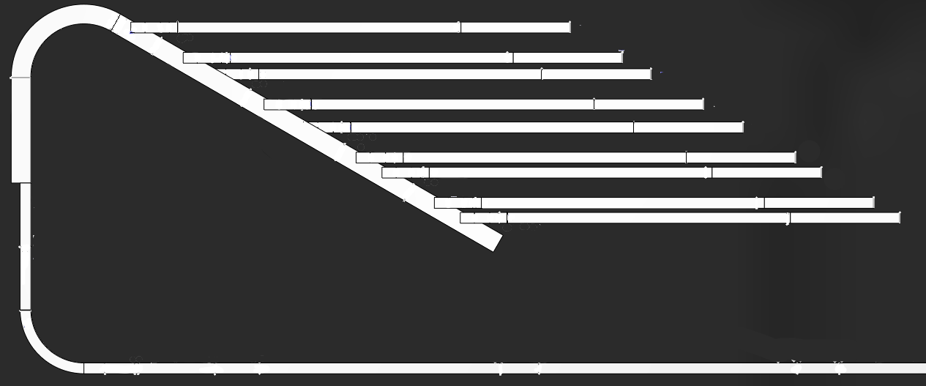 |  |  |  |  |  | Bed Type | Bed # | Profibus Address | Encoder PPR | Belt speed @60Hz | operational belt speed | Bed Type | Bed # | Profibus Address | Encoder PPR | Belt speed @60Hz | operational belt speed
 |  |  |  |  |  | Lane 1 | What feeds this lane? |  |  |  |  | Lane 9 | What feeds this lane?
 |  |  |  |  |  | Index | 55185 | 10031 | ± 18° |  |  | Index | 55985 |  | ± 18°
 |  |  |  |  |  | Staging | 55190 | 10004 | ± 18° | 967 |  | Staging | 55990 |  | ± 18°
 |  |  |  |  |  | Spur | 55195 | 10005 | ± 18° | 694 |  | Spur | 55995 |  | ± 18°
 |  |  |  |  |  | Lane 2 | What feeds this lane? |  |  |  |  | Lane 10 | What feeds this lane?
 |  |  |  |  |  | Index | 55285 | 10030 | ± 18° |  |  | Index |  |  | ± 18°
 |  |  |  |  |  | Staging | 55290 | 10006 | ± 18° | 955 |  | Staging |  |  | ± 18°
 |  |  |  |  |  | Spur | 55295 | 10007 | ± 18° | 671 |  | Spur |  |  | ± 18°
 |  |  |  |  |  | Lane 3 | What feeds this lane? |  |  |  |  | Lane 11 | What feeds this lane?
 |  |  |  |  |  | Index | 55385 | 10029 | ± 18° |  |  | Index |  |  | ± 18°
 |  |  |  |  |  | Staging | 55390 | 10008 | ± 18° | 955 |  | Staging |  |  | ± 18°
 |  |  |  |  |  | Spur | 55395 | 10009 | ± 18° | 680 |  | Spur |  |  | ± 18°
 |  |  |  |  |  | Lane 4 | What feeds this lane? |  |  |  |  | Merge to Sorter
 |  |  |  |  |  | Index | 55485 | 10028 | ± 18° |  |  | Bed Type | Bed # | Profibus Address | Encoder PPR | Belt speed @60Hz | operational belt speed
 |  |  |  |  |  | Staging | 55490 | 10010 | ± 18° | 942
 | System Settings Prime/Peak |  | System Speed Options |  | 550/600/650/700 | Spur | 55495 | 10011 | ± 18° | 682
 | System Speed |  | Site Code | DSM5 |  | Lane 5 | What feeds this lane? |  |  |  |  | Table | 55005 | 10012 | ± 18° | 675
 | Interslug Gap | 30 | Build Year | 2020 |  | Index | 55585 | 10027 | ± 18° |  |  | Curve | 55010 | 10002 | ± 18° | 781
 | L1 Gap | 7 |  |  |  | Staging | 55590 | 10013 | ± 18° |  |  | Plow | 56002 | 10104 | ± 18°
 | L2 Gap | 7 |  |  |  | Spur | 55595 | 10014 | ± 18° | 686 |  | Gapper | 56004 | 10106 | ± 18°
 | L3 Gap | 7 |  |  |  | Lane 6 | What feeds this lane? |  |  |  |  | Scanner | 56006 |  | ± 18°
 | L4 Gap | 7 |  |  |  | Index | 55685 | 10023 | ± 18° |  |  | Curve | 56008 | 10107 | ± 18° |  | 650
 | L5 Gap | 7 |  |  |  | Staging | 55690 | 10015 | ± 18° | 949 |  | Sorter | 56010 | 10111 | ± 18°
 | L6 Gap | 7 |  |  |  | Spur | 55695 | 10016 | ± 18° | 672
 | L7 Gap | 7 |  |  |  | Lane 7 | What feeds this lane?
 | L8 Gap | 7 |  |  |  | Index | 55785 | 10022 | ± 18°
 | L9 Gap |  |  |  |  | Staging | 55790 | 10017 | ± 18° | 958
 | L10 Gap |  |  |  |  | Spur | 55795 | 10018 | ± 18° | 691
 | L11 Gap |  |  |  |  | Lane 8 | What feeds this lane?
 | Gapper Target |  |  |  |  | Index | 55885 | 10021 | ± 18° |  |  |  |  | Michael Midkiff
 |  |  |  |  |  | Staging | 55890 | 10019 | ± 18° | 961
 |  |  |  |  |  | Spur | 55895 | 10020 | ± 18° | 685

